Sheet1
Garage | MBT
GPS (Lat (S), Long (E)) | 46 Selati St, Alphen Park, Pretoria, 0081 | -25.78361 | 28.26395
GPS Street 01 | Garstfontein Rd | -25.783401 | 28.263442
GPS Street 02 | Selati Street | -25.783493 | 28.264054

Garage | Engen
GPS (Lat (S), Long (E)) | 1226 Lever Rd, Noordwyk, Midrand, 1687 | -25.94504 | 28.12816
GPS Street 03 | Lever Rd | -25.945222 | 28.128105

Garage | Engen Magato Fuel
GPS (Lat (S), Long (E)) | 2568 Sefako Makgatho Dr | -25.683443 | 28.430454
GPS Street 04 | Sefako Makgatho Drive | -25.683912 | 28.430145

Garage | Engen Magalieskruin Motors
GPS (Lat (S), Long (E)) | 581 Braam Pretorius St | -25.68467 | 28.24515
GPS Street 05 | Braam Pretorius Street | -25.68467 | 28.24515

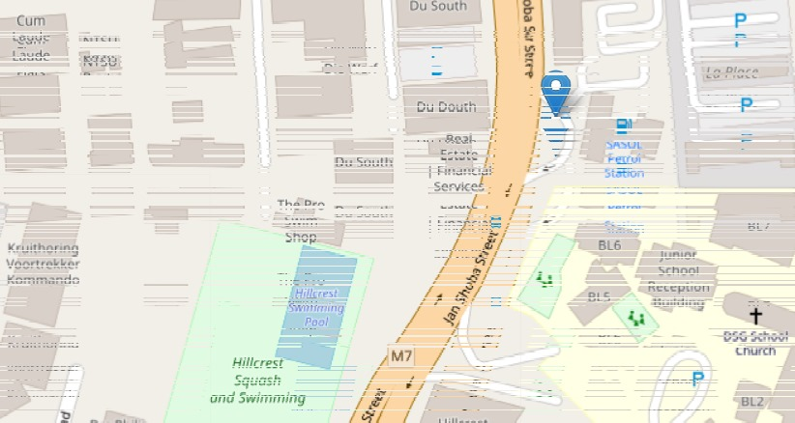
Garage | Sasol
GPS (Lat (S), Long (E)) | 570 Jan Shoba St, Hatfield, Pretoria, 0083 | -25.75392 | 28.24051
GPS Street 06 | Jan Shoba Stree | -25.753864 | 28.240412

